Intro IF
الدالة IF

الدالة IF من الدالات الأكثر شيوعاً في Excel، وتتيح لك إجراء مقارنات منطقية بين قيمة وما كنت تتوقعه.

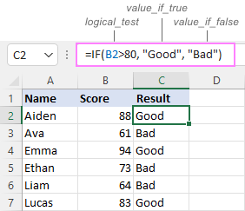
ولذا يمكن أن تكون لعبارة IF نتيجتان. النتيجة الأولى هي إذا كانت مقارنتك True، والثانية إذا كانت المقارنة False.

=IF(logical_test, [value_if_true], [value_if_false])

Logical test | الشرط | هو الشرط، كمقارنة قيمتين أو خليتين فيما إذا كانت إحدى القيم أكبر من الأخرى، وهذا الشرط مطلوب تحديده في الصيغة.
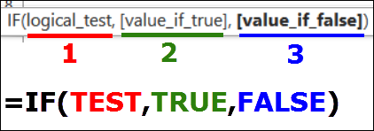
[value_if_true] | لو الشرط تحقق | هي القيمة التي يتم إرجاعها إذا تحقق الشرط، وتحديدها في الصيغة مطلوب.

[value_if_false]) | لو الشرط متحققش | هي القيمة التي يتم إرجاعا إذا لم يتحقق الشرط، وتحديدها في الصيغة اختياري.

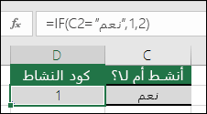

‎=IF(C2=”Yes”,1,2)‎

في المثال دة، تشير الصيغة في الخلية D2 إلى ما يلي: ‏إذا كان IF(C2‏ = Yes يتم إرجاع 1، وبخلاف ذلك يتم إرجاع 2)

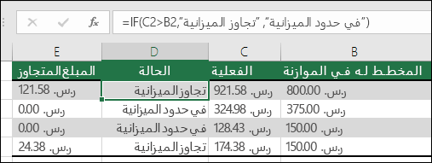

‎=IF(C2>B2,”تجاوز الميزانية”,”ضمن الميزانية”)‎

في المثال أعلاه، تشير الدالة IF في D2 إذا كان (C2 أكبر من B2، يتم إرجاع "تجاوز الميزانية"، وبخلاف ذلك يتم إرجاع "ضمن الميزانية")

IF المتداخلة

ويُقصد بها دالة IF داخل دالة IF أخرى، وهذه الصيغة تتيح لك اختبار العديد من المعايير وزيادة عدد النتائج المحتملة. وسنوضح طريقة كتابة الصيغة بالمثالين التاليين:

Sparklines
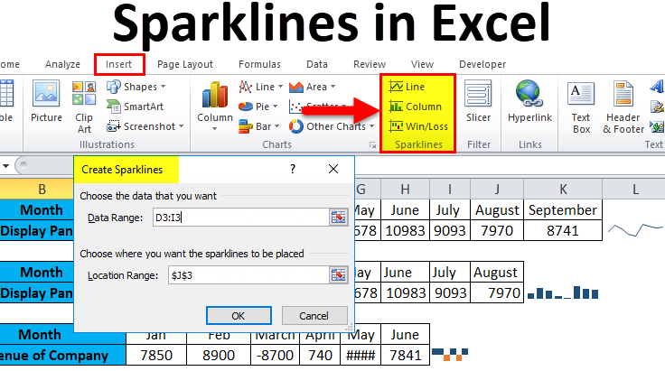
Month | Jan | Feb | March | April
Sales | 10,000 | 30,000 | 4,000 | -2,000
Sales | 20,584 | 39,153 | 25,861 | 20,939
Sales | 21,310 | 19,247 | 12,686 | -1,000
Sales | 36,780 | 34,661 | 17,163 | 27,603
Sales | 11,622 | 19,830 | 21,090 | 39,502

